Aggregate effects
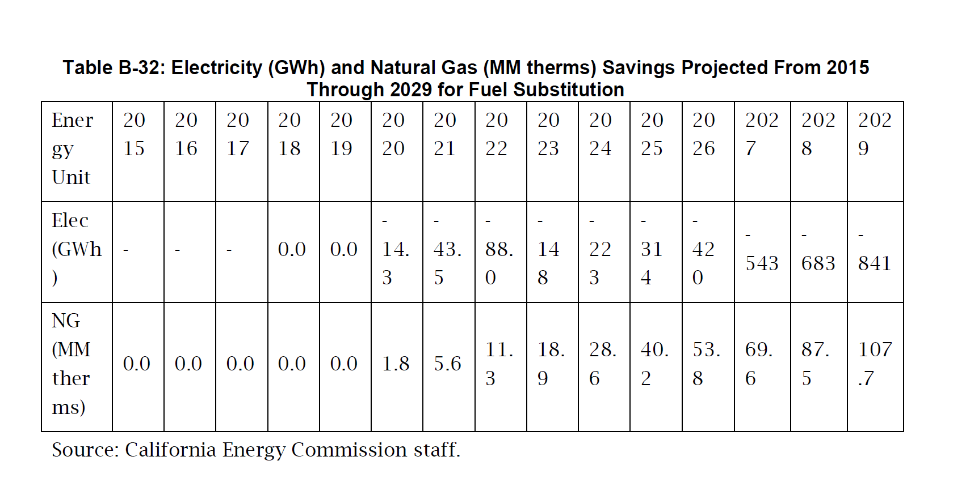
 | SB 350 projected compliance result |  |  |  | EPS integrated building sector policy impacts compared to BAU
 | Electricity GWh saved | Natural gas Therms saved | Electricity (% change) | Natural gas (% change) | Electricity GWh saved | Natural gas Therms saved | Electricity (% change) | Natural gas (% change)
Total reductions | 58201 | 1453.5 | 24% | 18% | 17772.618067 | 2417.0290846 | 10% | 32%

CEC-CPUC additional expected EE
 | Reductions by 2029 under SB 350 doubling target
 |  |  | As % of 2030 demand
 | Electricity GWh saved | Natural gas Therms saved | Electricity | Natural gas
Codes/Standards | 23746 | 617 | 10% | 8%
Utility programs (adjusted) | 17809.5 | 462.75 | 7% | 6%
Financing (PACE+OB) | 16645.5 | 373.75 | 7% | 5%

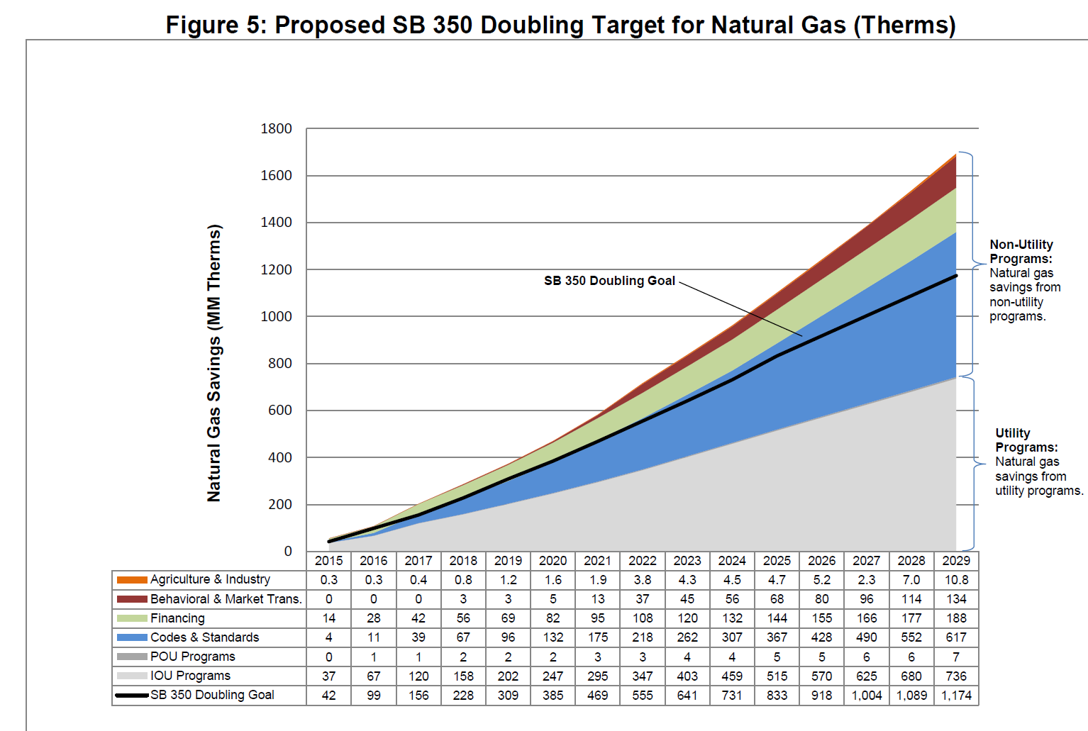

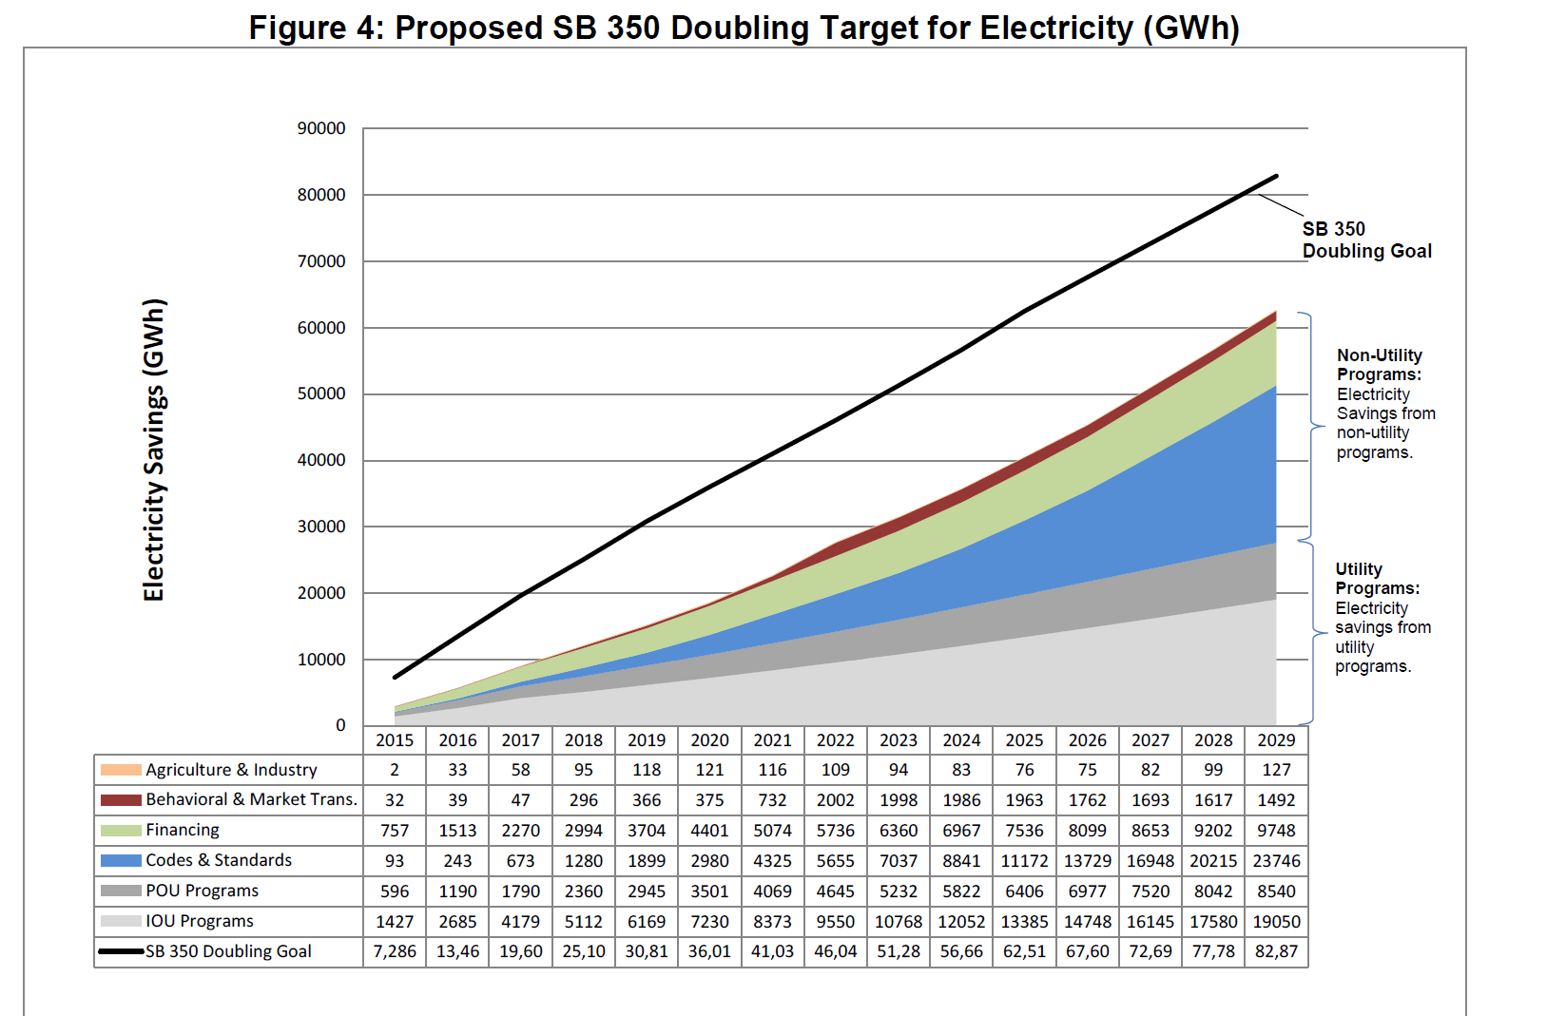

Calculation below shows the details of the calculation resulting from the assignmet of a
portion of the utility program savings estimate to financing, e.g. on bill financing

Financing
PACE part - nonutility | 9748 | 188
1/4 of utility programs | 6897.5 | 185.75
Sum of imputed financing | 16645.5 | 373.75

Utility programs (IOU+POU) | 27590 | 743
3/4 of utility programs | 20692.5 | 557.25

Calibrate utility prog effect
 | Reductions by 2029 under SB 350 doubling target |  |  |  | Level in univariate comparison to BAU
 |  |  | As % of 2030 demand |  |  |  | As % of 2030 demand
 | Electricity GWh saved | Natural gas Therms saved | Electricity | Natural gas | Electricity GWh saved | Natural gas Therms saved | Electricity | Natural gas | EPS policy lever
Codes/Standards | 23746 | 617 | 10% | 8% | 16416.51 | 469.78754937 | 9% | 6%
Electrification |  |  |  |  | -19771 | 1551.15 | -11% | 21%
Utility programs (adjusted) | 17809.5 | 462.75 | 7% | 6%
Financing (PACE+OB) | 16645.5 | 373.75 | 7% | 5% | 9235 | 164 | 5% | 2% | Commercial retrofits

 |  | levels of reductions needed
 |  | for utility programs centered on electricity
 |  | At least a 10 percent reduction is needed
 |  | to come close to overall reductions
 |  | in building electricity demand.

 |  | 5881.11 | net of electricity across the 3
 |  | 52319.89 | to earn back electrification "reversal" - would need this amount of raw GWh

 | 2030 Reference demand - mid-case
 | electricity in GWh | mm Therms of natural gas
Residential | 120,409
Comm | 126,077
Total | 246,486 | 7962.1970823

natural gas reference demand calculated below

https://efiling.energy.ca.gov/getdocument.aspx?tn=223244
"California Energy Demand 2018-2030 Revised Forecast"

Electricity values directly from:
Table 2: Baseline Electricity Consumption by Sector
Natural gas results not broken out by sector. Mid-case value annual growth
rates (from Table 3) are applied to actual 2017 use to impute 2030 buildings demand.

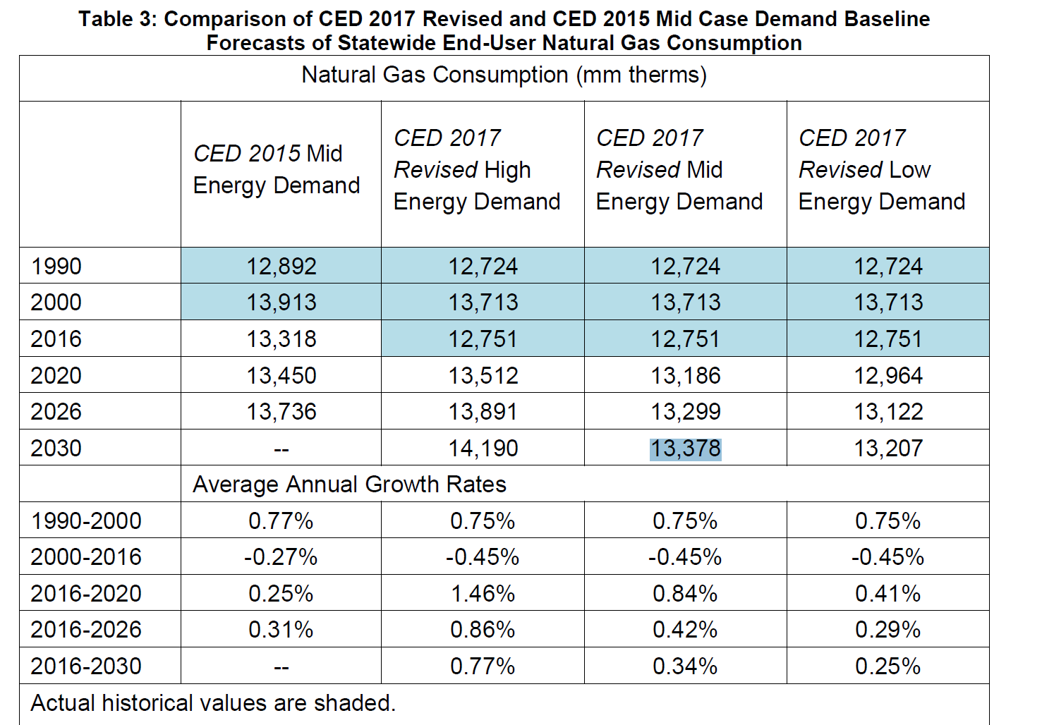
Table 3: Comparison of CED 2017 Revised and CED 2015 Mid Case Demand Baseline
Forecasts of Statewide End-User Natural Gas Consumption
 |  | BAU building natural gas use | in therms | growth rate from Table 3
2017 |  | 746993328586752 | 7469.9332859
2018 |  |  | 7532.6807255 | 0.84%
2019 |  |  | 7595.9552436 | 0.84%
2020 |  |  | 7659.7612676 | 0.84%
2021 |  |  | 7691.9322649 | 0.42%
2022 |  |  | 7724.2383804 | 0.42%
2023 |  |  | 7756.6801816 | 0.42%
2024 |  |  | 7789.2582384 | 0.42%
2025 |  |  | 7821.973123 | 0.42%
2026 |  |  | 7854.8254101 | 0.42%
2027 |  |  | 7881.5318165 | 0.34%
2028 |  |  | 7908.3290247 | 0.34%
2029 |  |  | 7935.2173434 | 0.34%
2030 |  |  | 7962.1970823 | 0.34%

